Instructions
Instructions for Running the Home Biomeasures

1. Morning Pulse
Take your pulse immediately upon waking, before you do anything else.
Count your pulse for one minute and record the value in the Results Sheet
You can take your pulse from either your neck or wrist as shown in the diagrams below:
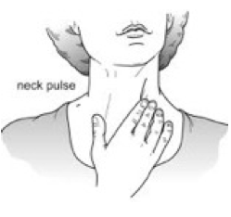
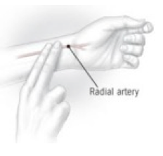

2. Morning Temperature
Your morning temperature should be taken by using an old, mercury thermometer or a digital thermometer.
Instructions for using a mercury thermometer are as follows:

If you are using a digital thermometer, you do not need to keep it under the arm for so long. Simply follow the
instructions that accompany the thermometer.

Results Sheet
 | 1 | 2 | 3 | 4 | 5 | 6 | 7 | 8 | 9 | 10
 | Underarm Temperature
Date
Underarm Temperature
Resting Heart Rate

 | Resting Heart Rate
Symptoms Notes (how were you feeling when you took the measurements?)

